formularz MILLING
 |  |  | Milling Test report

Operator / Date: |  | 26.03.2025 Paweł Tudruj
Project aim |  |  | TOOL LIFE TEST

Machine |  |  | Producent/Type:

Workpiece |  |  | Description: | Alloy Steel 1.2738
 |  |  | Hardness:
 |  |  | Type of machining: | Shoulder Milling

Inserts's number |  |  | 1 | 2 | 3 | 3 | 4

Tool | Holder type
 | Producent |  | POLCOMM | WALTER

BEFORE TEST INSERT | Producent |  | POLCOMM | WALTER
 | Geometry + Grade |  | LNHX 090404 PMZ PC228 | LNHU 090404R-L65T WSP45G
 | Application
 | Substrate |  | K15 | WKP25S
 | Coating type |  | FERROCON | PVD Tiger-Tec Silver
 | Batch number |  | 25000014
 | Coating thickness [µm] |  |  | ??
 | Visual |  | Ok | Ok
 | Other: honing

Machining parameters | Type of milling |  | Shoulder Milling | Shoulder Milling
 | Feed f [mm] |  | 0,15 | 0,15
 | Feed Vf [mm/min]
 | Speed Vc [mm/min] |  | 180.00 | 180.00
 | Cutting depth ap [mm] |  | 4.00 | 4.00
 | ae [mm] /[%] |  | 1mm | 1mm
 | Number of passes [i]
 | TIME
 | Cooling |  | Air | Air

RESULTS | Chip shape / flow |  | Ok | Ok
 | Workpiece roughness Ra/Rz |  | Detailed info Below | Detailed info Below
 | Visual damage description |  | No | No
 | Edge wear VBb [µm] |  | Not Evaluated | Not Evaluated
 | Chipping |  | No | No
 | Plastic deformation |  | No | No
 | Other:

Remarks:

Remarks:

Summary & Conclusion |  |  | New LNHX 090404 PMZ was tested in a shoulder milling operation compared to one of the main market competitors: Walter AG LNHU 090404R-L55T…. Results were very positive: Polcomm geometry revealed much smoother cutting process than competitor .Altough Walter AG only offers this grade PVD coated this geometry, our PC228 shown much better performance that WSP25G grade from Walter (wich is the recommendation for Steel and Cast Iron). In therms of cutting performance, lifetime and cuting force - LNHX 090404 PMZ is considered approved. Lifetime Polcom: 60 minutes (and cutting edge can work much longer - Lifetime Walter: 50 minutes)

 | 1 |  |  | 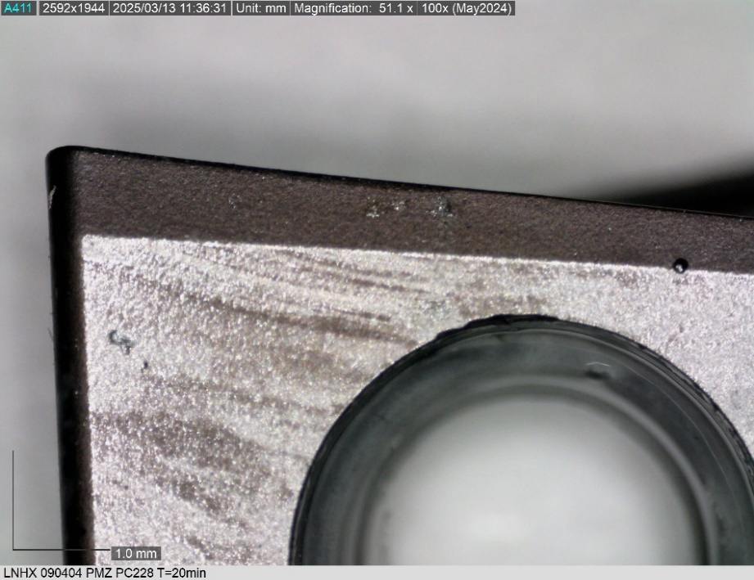 |  |  |  | 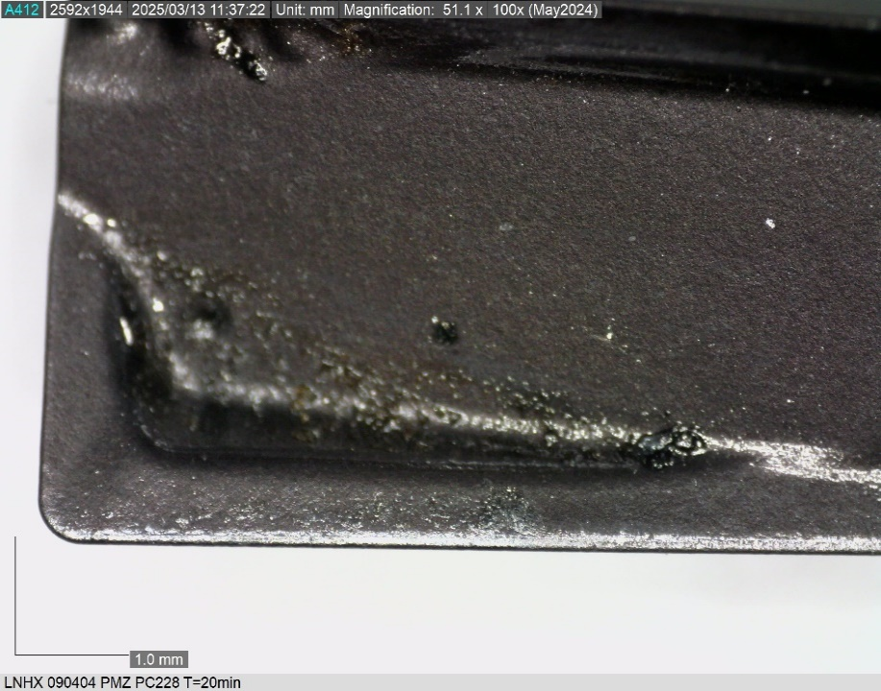 | 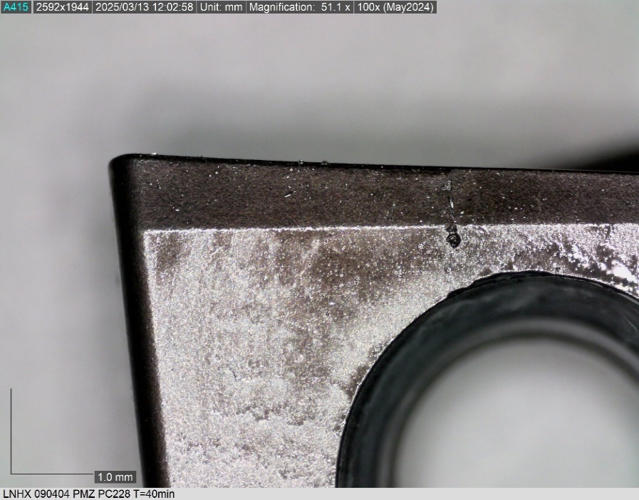 | 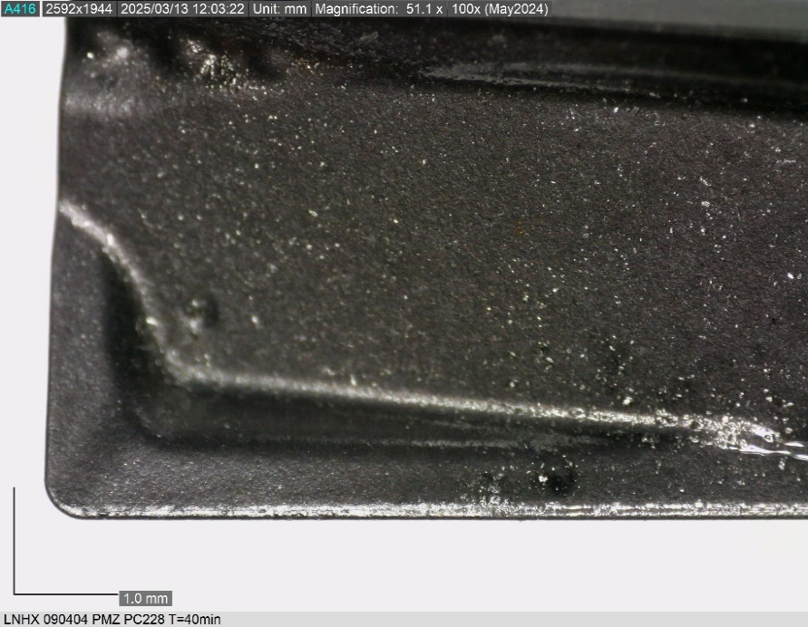 | 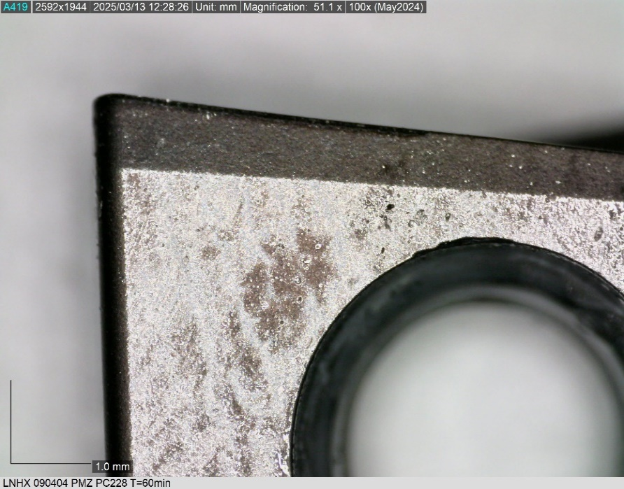 | 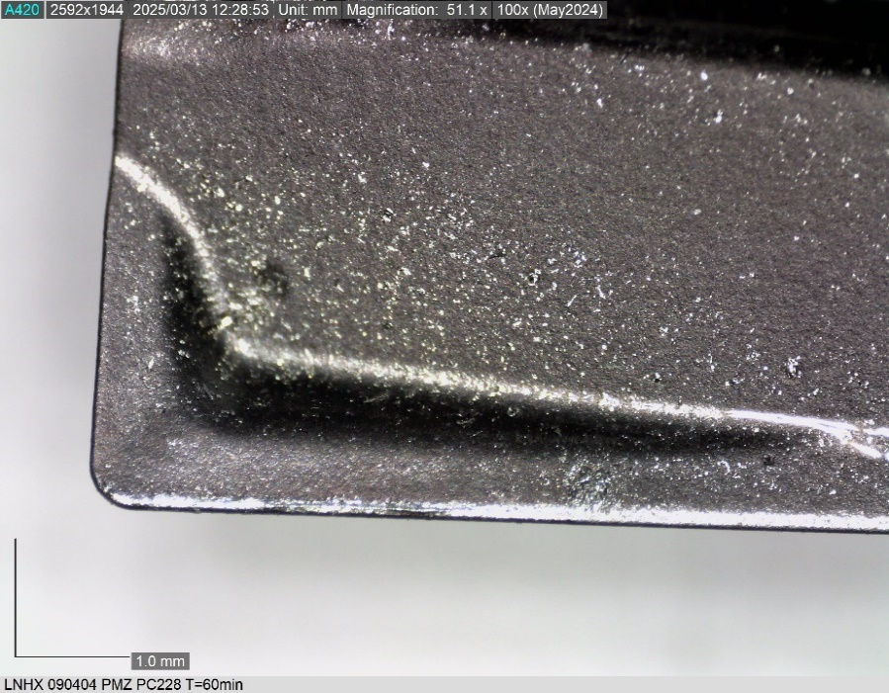
 | T(min) | Vb(mm) | Remarks
 | 0
 | 20
 | 40
 | 60
 | 80

 |  |  |  | T=20min |  |  |  |  | T=40min |  | T=60min

 | 2 |  |  | 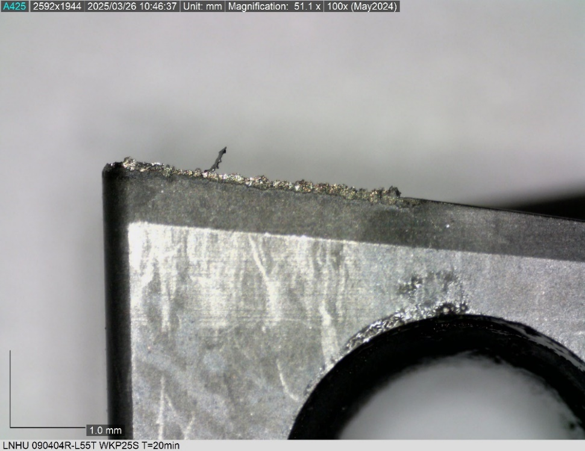 |  |  |  | 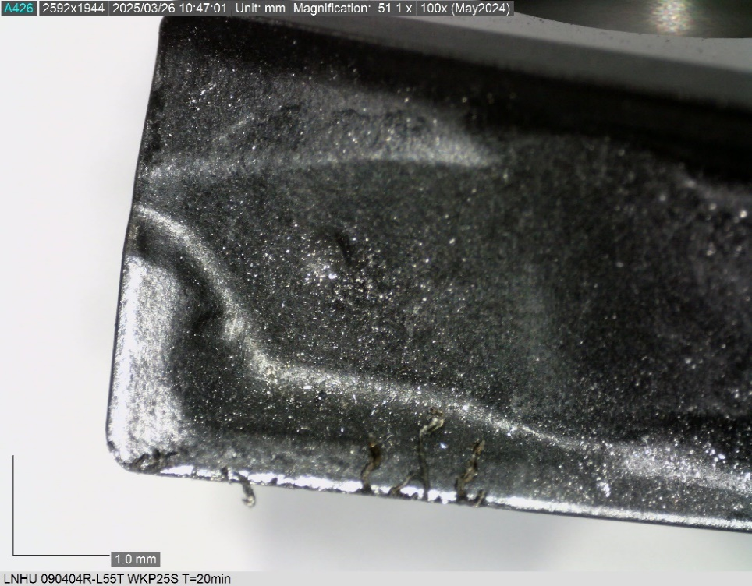 | 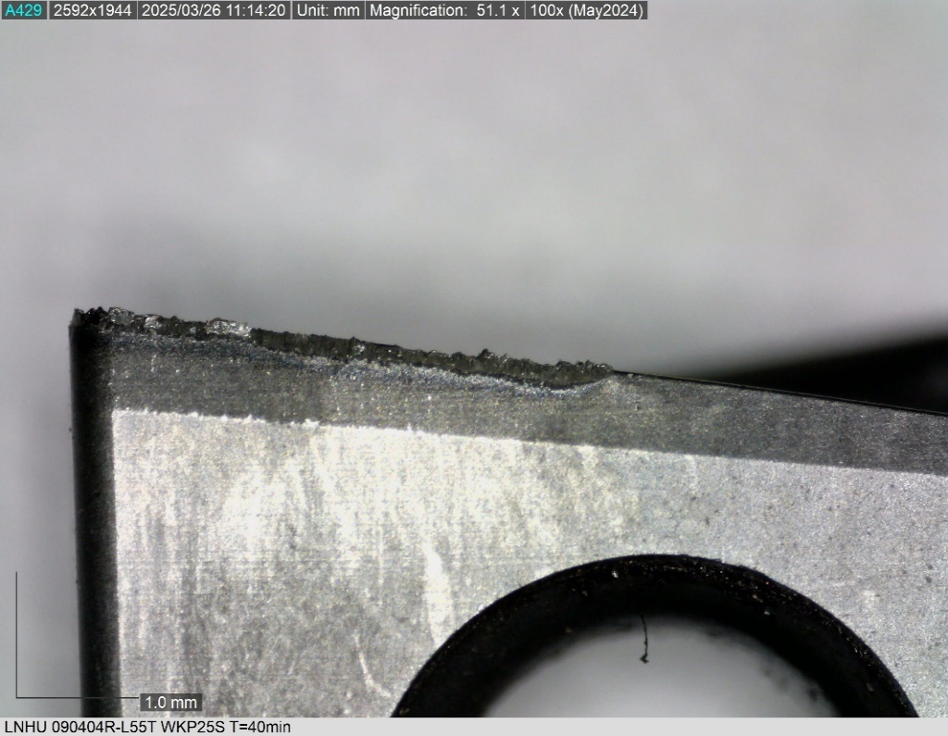 | 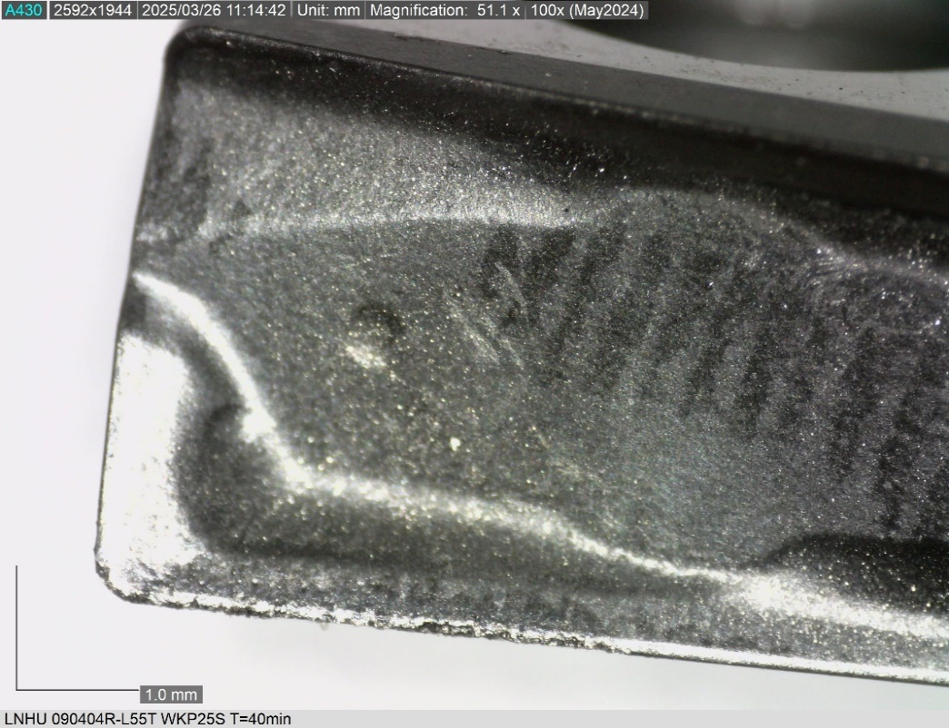 | 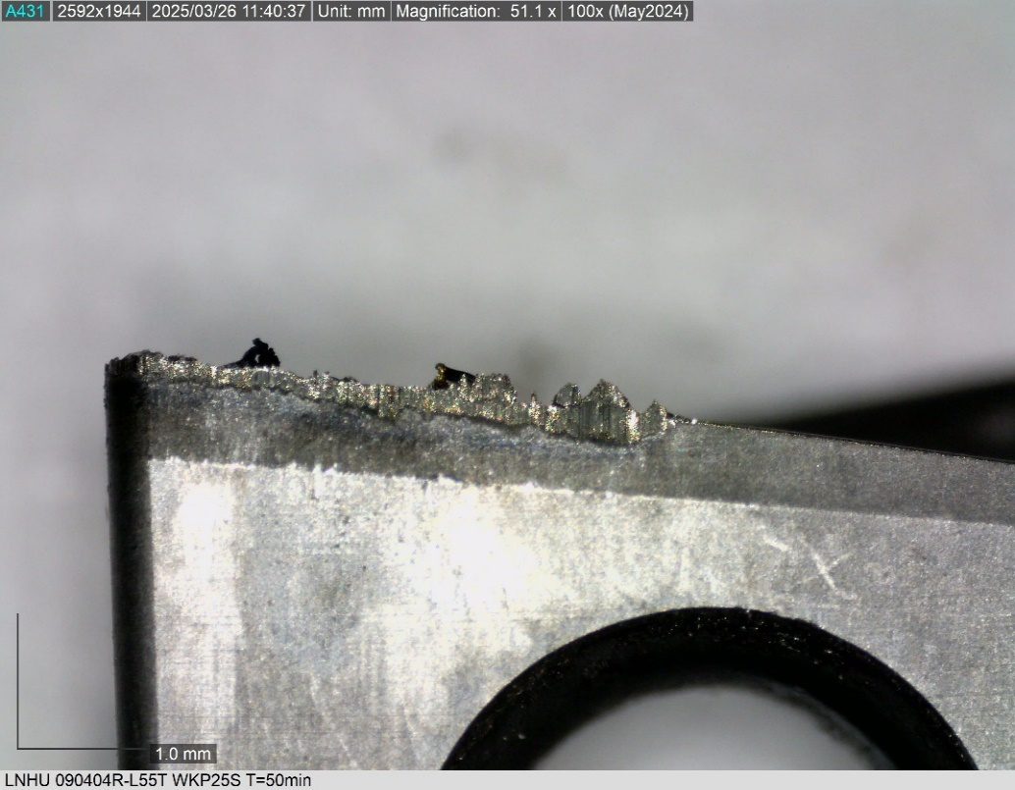 | 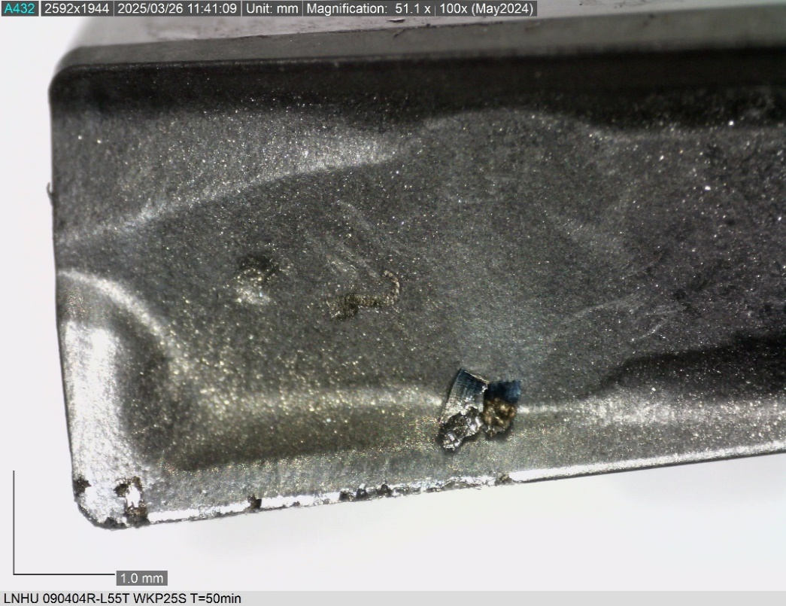
 | T(min) | Vb(mm) | Remarks
 | 0
 | 20
 | 40
 | 50 |  | Vibration increase and burrs.

 |  |  |  | T= 20min |  |  |  |  | T=40min |  | T=50min

